Sheet2
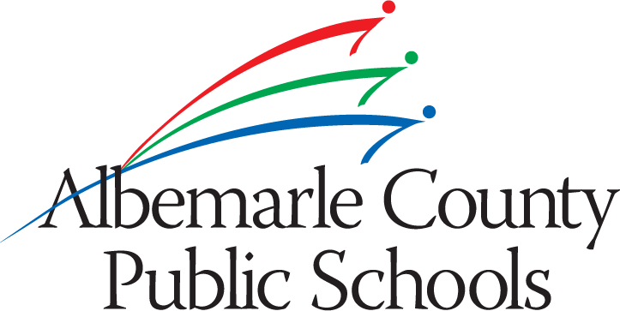

Subject: | Governor's Health Sciences Academy-MOHS
School Board Meeting Date: | 2013-01-24

Revenue:
3-3104-63104-324000-240400-6599 | Miscellaneous State Revenue | $(2,850.00)

Expenditure:
4-3104-63104-460700-601300-6304 | Ed & Rec Supplies | $10,000.00

